Calculating Projected Visits
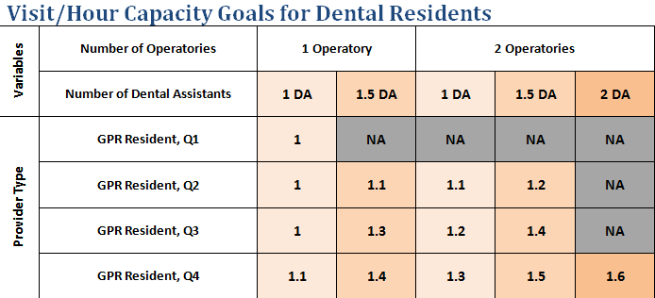
 | Clinic Days Per Year | Clinic Hours Per Day | Total Provider Hours | Visits Per Hour* | Total Visits
General Dentist Visits
Dentist A |  |  | 0 |  | 0
Dentist B |  |  | 0 |  | 0
Dentist C |  |  | 0 |  | 0
Dentist D |  |  | 0 |  | 0
Hygiene Visits
RDH A |  |  | 0 |  | 0
RDH B |  |  | 0 |  | 0
RDH C |  |  | 0 |  | 0
RDH D |  |  | 0 |  | 0
Other
Pediatric Dentist |  |  | 0 |  | 0
Dental Resident |  |  | 0 |  | 0
 |  |  | 0 |  | 0
 |  |  | 0 |  | 0
 |  |  |  | TOTAL VISITS | 0
INSTRUCTIONS 1. Enter the number of clinical days each provider works per year. Multiply the number of days each provider works per week and multiply by 46 weeks. For example, 230 days is the standard for a provider working 5 days per week. (46 weeks * 5 days=230 clinical days per year).
2. Enter the number of clinical hours per day each providers works. If the daily hours vary for some provider, calculate an average. * Don not include lunch hours. Total yearly provider hours will automatically calculate
3. Enter the Visit per Hour benchmark. Refer to the Productivity Benchmark Guide or the table below. Typical range for General Dentists is 1.5-1.7. The range for Hygienists is 1-1.2. Total yearly visits for each provider will automatically calculate. The total yearly projected visits for the clinic will automatically calculate on Cell F17. 4. Enter the total yearly projected visits is in the financial tool worksheet in cell D2.

Why 46 Weeks? This takes into account holidays including the cumulative effect of provider vacations days. This number is just an average however and if your clinics is open more often (takes fewer holidays) you can adjust it to whatever works for you practice.

Visit per hour benchmark for a general dentist working out of 2 operatories with 1.5 FTE Dental Assistants is 1.7

Payer Mix Projections
Payer Mix Tool
Financial Projections | Projected Visits
 | Actual Visits
 | Difference | -6500
Patient/Insurance mix: |  | Yearly visits
Percent Medicaid |  | -
Percent Self Pay |  | -
Percent Commercial Insurance |  | -
Percent Other |  | -
Total | 0% | -

Reimbursement Rate (per visit): |  | Yearly Revenue
Medicaid |  | $-
Self Pay |  | $-
Commercial Insurance |  | $-
Other |  | $-
 | Total Projected Revenue | $-
 | Total Expenses
 | Projected Bottom Line | $-

1. Enter the total projected dental visits for the year.
2. Enter the payer mix for the dental program. Payer mix is the percentage of patients in each payer category (i.e. uninsured meaning they would be self pay, covered by Medicaid or commercial insurance or another 3rd party insurer indicated as "other").
3. Enter the average reimbursement by payer type. How much revenue is collected on average for each visit type by payer category. Divide total yearly revenue collected from Self pay patients by the total number of self pay patient visits, repeat for each payer category).
4. The yearly revenue for each payer category will automatically calculate.
5. The total yearly revenue for the year will automatically calculate.
6. Enter the yearly dental program expenses.
7. The projected bottom line known as either a profit or loss and will automatically calculate.
8. Adjust payer mix percentages or average reimbursement by payer type to see how it impacts on the bottom line.

